Fee Estimate
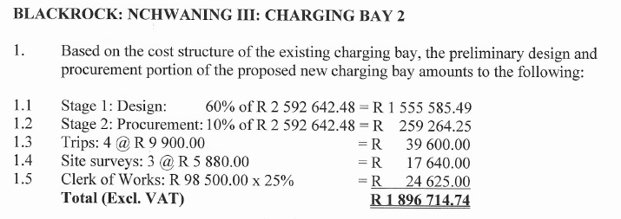
PROJECT: NCHWANING 3 UNDERGROUND CHARGING BAY NO 2 |  |  |  |  | 7-Nov-24

SUMMARY: REVISED ADDITIONAL FEES |  | Unit | Qty | Rate | Amount
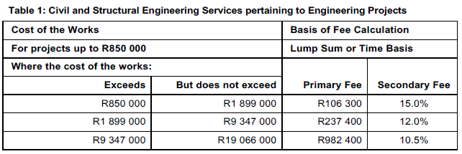
Construction Value according to latest tender evaluation amount - | R38,029,979.00

Fee Engineering: R 1,857,000 + 9,5% (Construction Value - R19,066,000) = |  | Fee | 1 | R3,658,578.01 | R3,658,578.01

Clerk of Works |  | Months | 14 | R103,425.00 | R1,447,950.00

Trips |  | No | 28 | R9,900.00 | R277,200.00

Off-site quality inspection |  | No | 4 | R14,600.00 | R58,400.00

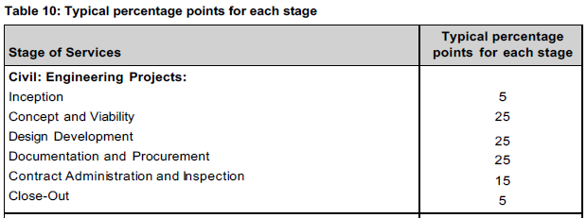
Site Surveys |  | No | 20 | R13,762.00 | R275,240.00

Deduct Current Fee for Pre-works (Stage 1 and 2) |  | Sum | -1 | R1,814,849.74 | -R1,814,849.74

TOTAL ESTIMATED FEE (EXCL. VAT): |  |  |  |  | R3,902,518.27

FEE BREAKDOWN: PROPOSED REVISED ADDITIONAL FEE PER STAGE: |  | Unit | Qty | Rate | Amount

Construction Value according to latest tender evaluation amount - | R38,029,979.00
Construction Value according to oriinal fee estimate - | R26,809,605.00

Stage 1: Design |  |  |  |  | R639,561.32 | Cost range |  | Engineering Project
Engineer |  | % | 60 | R3,658,578.01 | R2,195,146.81 | Exceeds | But does not exceed | Civil work |  | Structural work |  | Mechanical work |  | Electrical work |  | Electronical work
Deduct: Existing Fee |  |  |  |  | -R1,555,585.49 |  |  | (Table 1) |  | (Table 2) |  | (Table 5) |  | (Table 6) |  | (Table 9)
 |  |  |  |  |  |  |  | Fee |  | Fee |  | Fee |  | Fee |  | Fee
Stage 2: Procurement |  |  |  |  | R106,593.55 |  |  | Primary | Secondary | Primary | Secondary | Primary | Secondary | Primary | Secondary | Primary | Secondary
Engineer |  | % | 10 | R3,658,578.01 | R365,857.80 | R- | R850,000.00 | R- | 15.0% | R- | 6.0% | R- | 15.0% | R- | 15.0% | R- | 20.5%
Deduct: Existing Fee |  |  |  |  | -R259,264.25 | R850,000.00 | R1,899,000.00 | R106,300.00 | 15.0% | R42,500.00 | 6.0% | R106,300.00 | 15.0% | R106,300.00 | 15.0% | R144,500.00 | 20.5%
 |  |  |  |  |  | R1,899,000.00 | R9,347,000.00 | R237,400.00 | 12.0% | R95,000.00 | 5.5% | R237,400.00 | 12.0% | R237,400.00 | 12.0% | R322,800.00 | 16.0%
Stage 3: Construction Management |  |  |  |  | R914,644.50 | R9,347,000.00 | R19,066,000.00 | R982,400.00 | 10.5% | R430,000.00 | 5.0% | R982,400.00 | 9.5% | R982,400.00 | 9.5% | R1,328,200.00 | 14.0%
Engineer |  | % | 25 | R3,658,578.01 | R914,644.50 | R19,066,000.00 | R47,372,000.00 | R1,857,000.00 | 9.5% | R818,000.00 | 3.5% | R1,759,800.00 | 8.5% | R1,759,800.00 | 8.5% | R2,446,200.00 | 12.0%
 |  |  |  |  |  | R47,372,000.00 | R94,960,000.00 | R4,121,400.00 | 7.0% | R1,667,500.00 | 3.0% | R3,742,400.00 | 7.0% | R3,742,400.00 | 7.0% | R5,277,200.00 | 11.5%
Stage 4: Close-out |  |  |  |  | R182,928.90 | R94,960,000.00 | R572,000,000.00 | R7,065,000.00 | 6.5% | R2,620,900.00 | 2.5% | R6,590,200.00 | 6.5% | R6,590,200.00 | 6.5% | R9,790,400.00 | 10.0%
Engineer |  | % | 5 | R3,658,578.01 | R182,928.90 | R572,000,000.00 | R1,000,000,000.00 | R33,233,200.00 | 6.0% | R9,781,200.00 | 2.5% | R32,832,800.00 | 6.5% | R32,832,800.00 | 6.5% | R50,336,000.00 | 10.0%

Disbursements and other: |  |  |  |  | R2,058,790.00 | Stage | Engineering Project
Clerk of Works |  | Months | 14 | R103,425.00 | R1,447,950.00 |  | Civil work | Structural work | Mechanical work | Electrical work | Electronical work
Trips |  | No | 28 | R9,900.00 | R277,200.00 | Phase 1: Inception | 5% | 5% | 5% | 5% | 5%
Off-site quality inspection |  | No | 4 | R14,600.00 | R58,400.00 | Phase 2: Preliminary Design - Concept and Viability | 25% | 25% | 15% | 15% | 15%
Site Surveys |  | No | 20 | R13,762.00 | R275,240.00 | Phase 3: Design Development | 25% | 30% | 20% | 20% | 20%
 |  |  |  |  |  | Phase 4: Documentation and Procurement | 25% | 10% | 20% | 20% | 20%
TOTAL ESTIMATED FEE (EXCL. VAT): |  |  |  |  | R3,902,518.27 | Phase 5: Construct Administration and Inspection | 15% | 25% | 35% | 35% | 35%
 |  |  |  | ROUNDED | R3,902,519.00 | Phase 6: Close-out | 5% | 5% | 5% | 5% | 5%
EXISTING ORDER (Based on estimated construction value of R 26,809,605,00: |  |  |  |  |  |  | 100% | 100% | 100% | 100% | 100%

Overhead crane
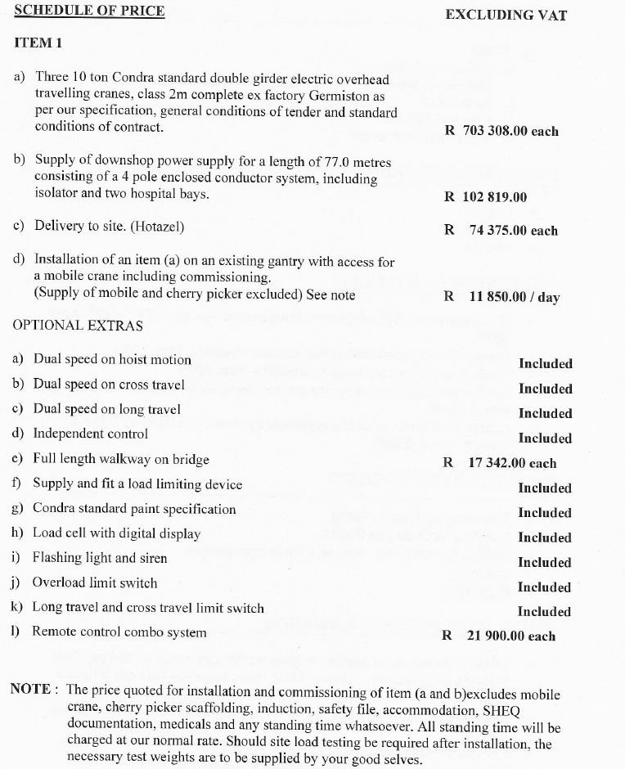

Overhead cranes | Unit cost | Units | Cost
Crane price | 703,308 | 3 | 2,109,924
Electrical | 102,819 | 3 | 308,457
Delivery | 74,375 | 3 | 223,125
Installation | 11,850 | 10 | 118,500
Bridge | 17,342 | 3 | 52,026
Remote | 21,900 | 3 | 65,700
 |  |  | 2,877,732

Chargers & Posts
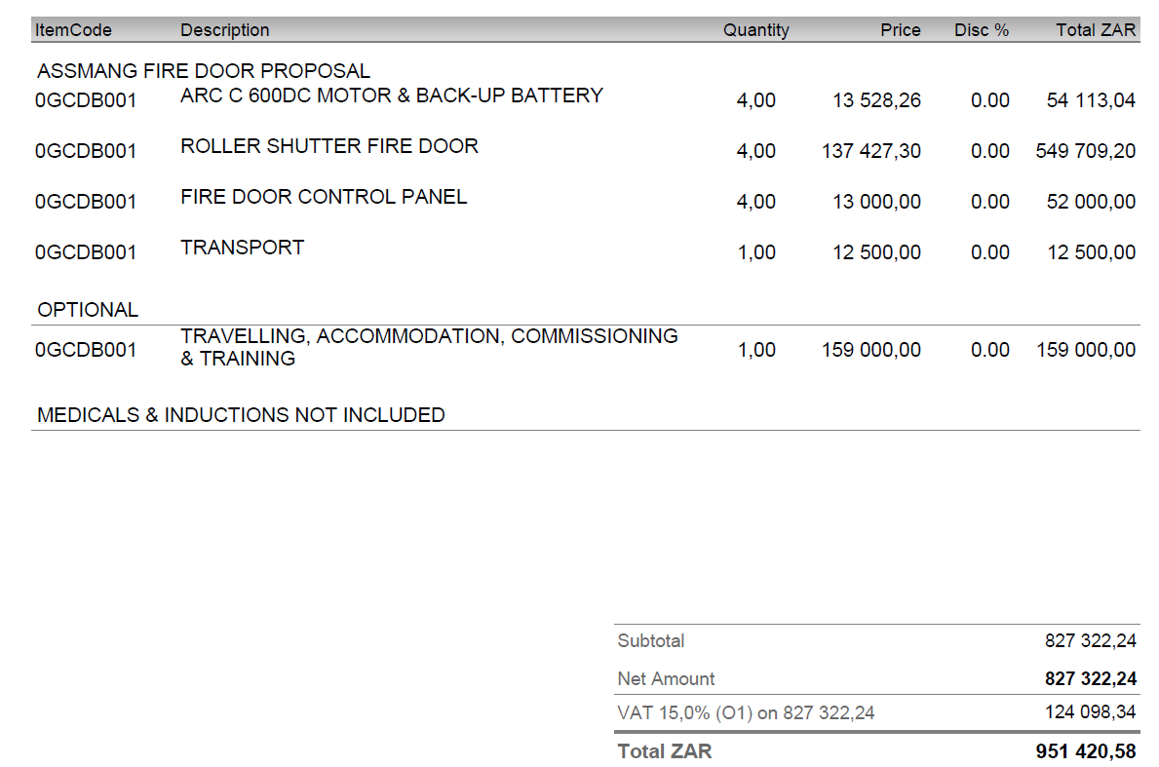
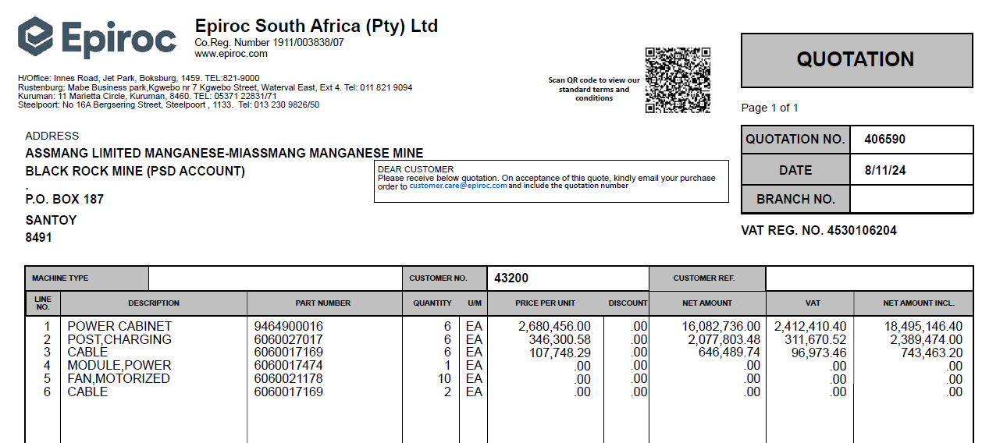
Epiroc | Unit cost | Units | Cost
Charger | 2,680,456.00 | 6.00 | 16,082,736.00
Post | 346,300.54 | 6.00 | 2,077,803.24
Cable | 107,748.29 | 6.00 | 646,489.74
Fire Supression | 617,376.00 | 6.00 | 3,704,256.00
Auto Vent Doors | 827,322.24 | 1.00 | 827,322.24
Vent door equip and fans | 1,500,000.00 | 1.00 | 1,500,000.00
 |  |  | 24,838,607.22

Transformers
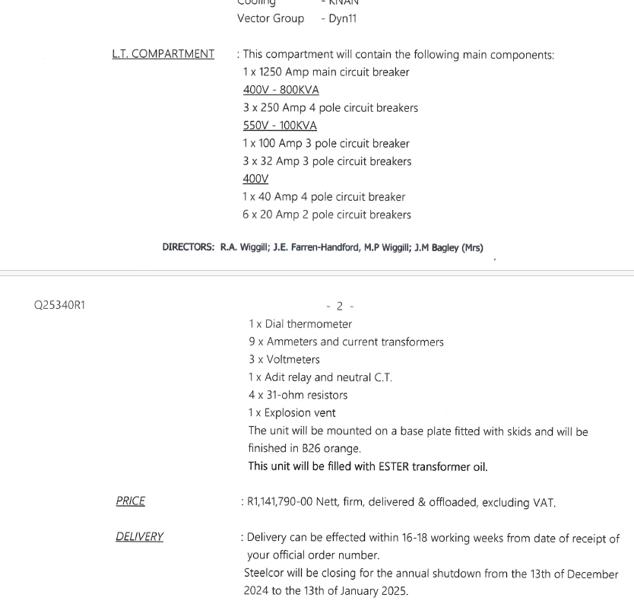

 | Unit cost | Units | Cost
Transformers
Main Charging transformer | 1,141,790.00 | 2 | 2,283,580.00

 |  |  | 2,283,580.00

`

Cabling
Cabling | Supplier | Length m | Cost/unit | Cost
HT - 35mm XLPE | Aberdare | 600 | R644.22 | R386,532.00
25mm Earth | Aberdare | 600 | R52.39 | R31,434.00
1,5mm multicore | Aberdare | 1500 | R72.85 | R109,275.00
35mm 4 core DC cable | Aberdare | 1500 | R1,028.00 | R1,542,000.00
UTP | Interconnect Systems | 1000 | R20.69 | R20,691.00
70mm 4 core | Stock | 600 | R654.12 | R392,471.46
Cabling | Stock no | Unit cost | Units | Cost
Spot Lights | Voltex | 19,950.00 | 29.00 | 578,550.00
LED Lights | 84000000280079 | 4,850.00 | 30.00 | 145,500.00
 |  |  |  | 3,206,453.46
 |  |  |  |  | BRANCH/PLANT | CREDITOR NAME | ORD TP | ORD NO | ITEM CODE | PURCHASE DESCRIPTION | UNIT COST
 |  |  |  |  | MAIN STORE | VOLTEX (PTY) LTD | #O3 | 23000782 | 84000000280079 | Light Strip LED Alpha 10m 230v | 4,850.00

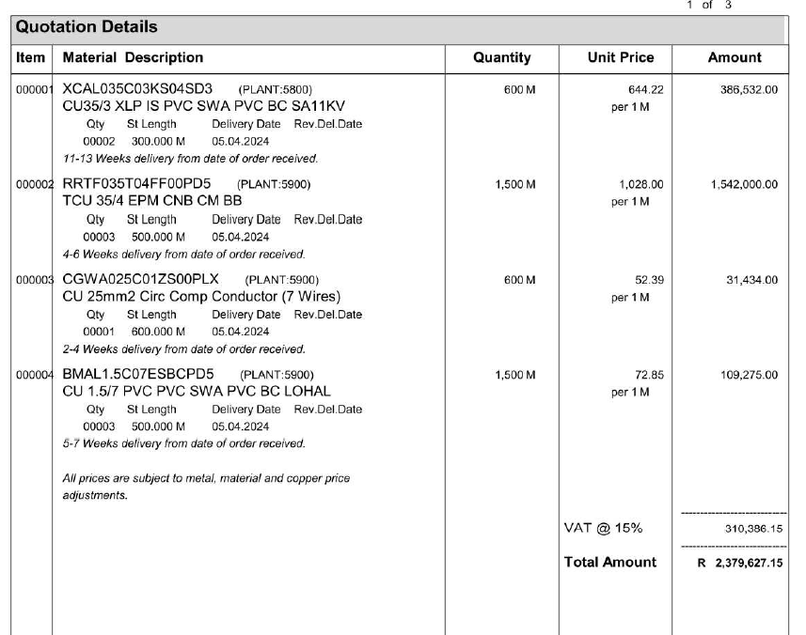
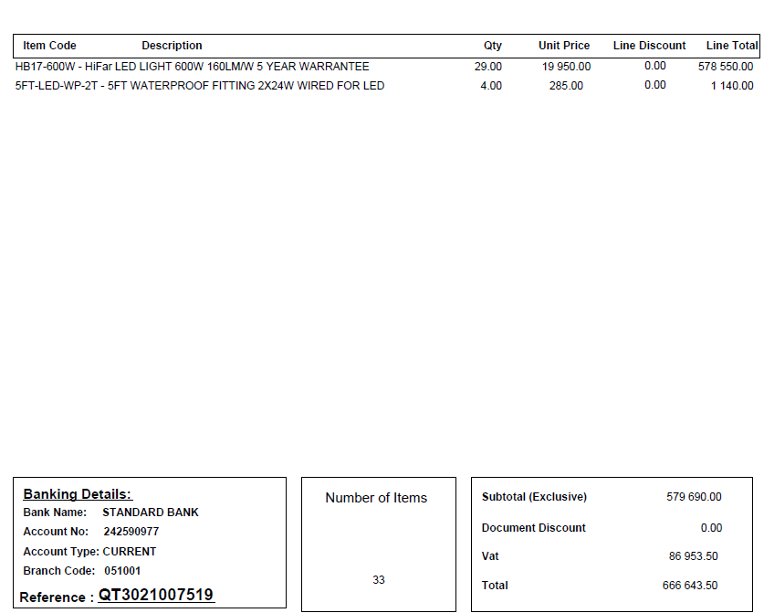

 |  |  |  |  |  | Spot Lights+G18:R19

